Assignment
UserDetailsA | Create a table to save the form values (refer above) in the database. Using the above servlet save the form values into the database. Note: The connection should be opened only once to the DB & should close when the servlet is unloaded. Refer to the servlet lifecycle

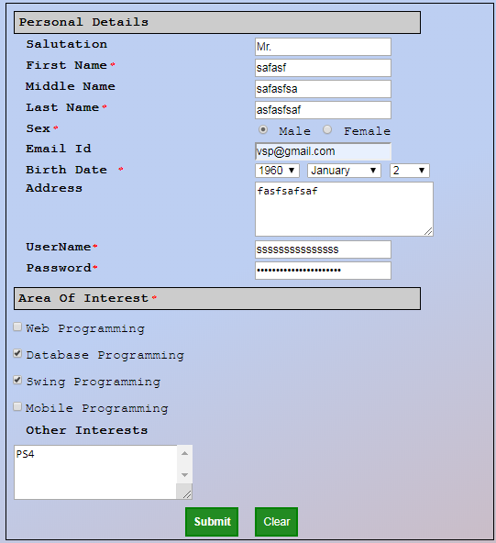
Input Screen

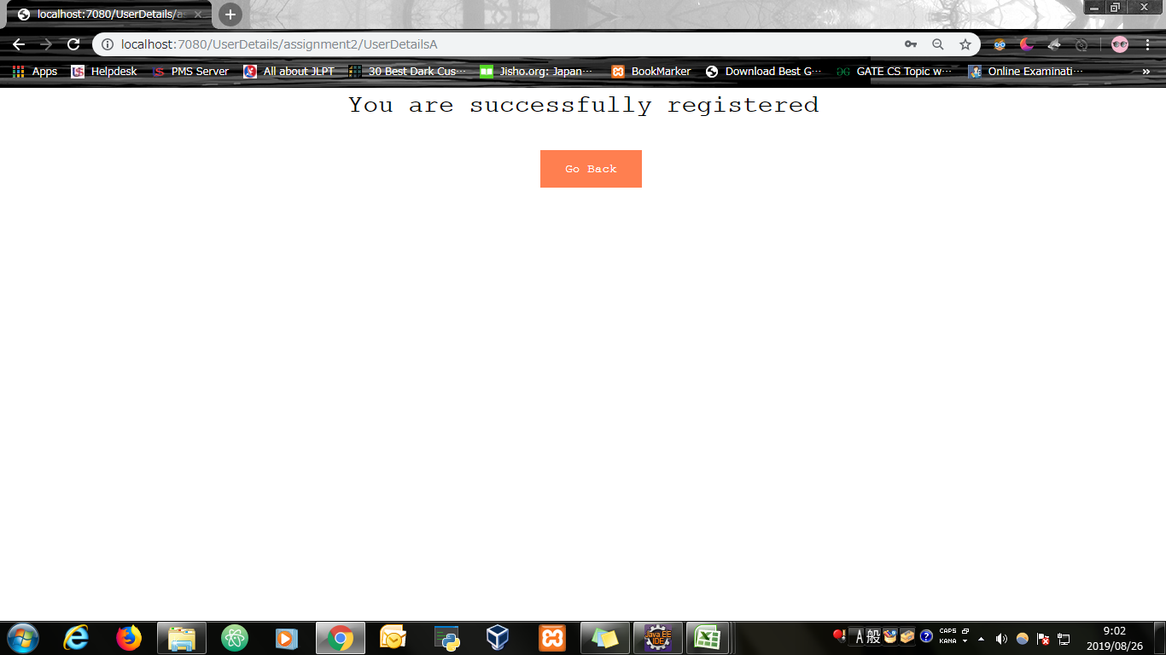
Output Screen

Evidence
Screen shoot 1: | Page Load

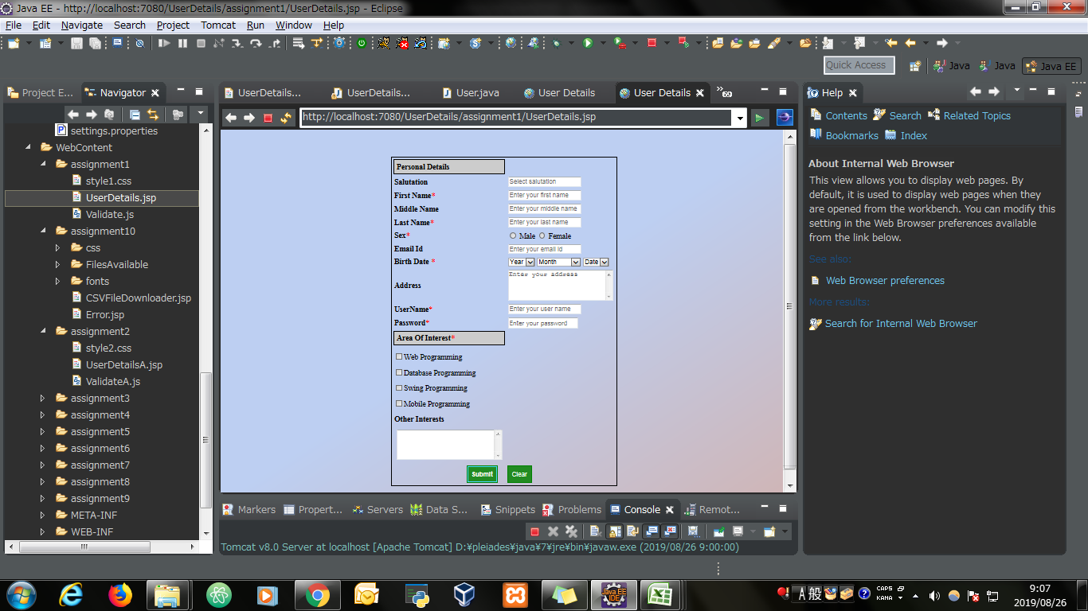

Screen shoot 2: | Error Message

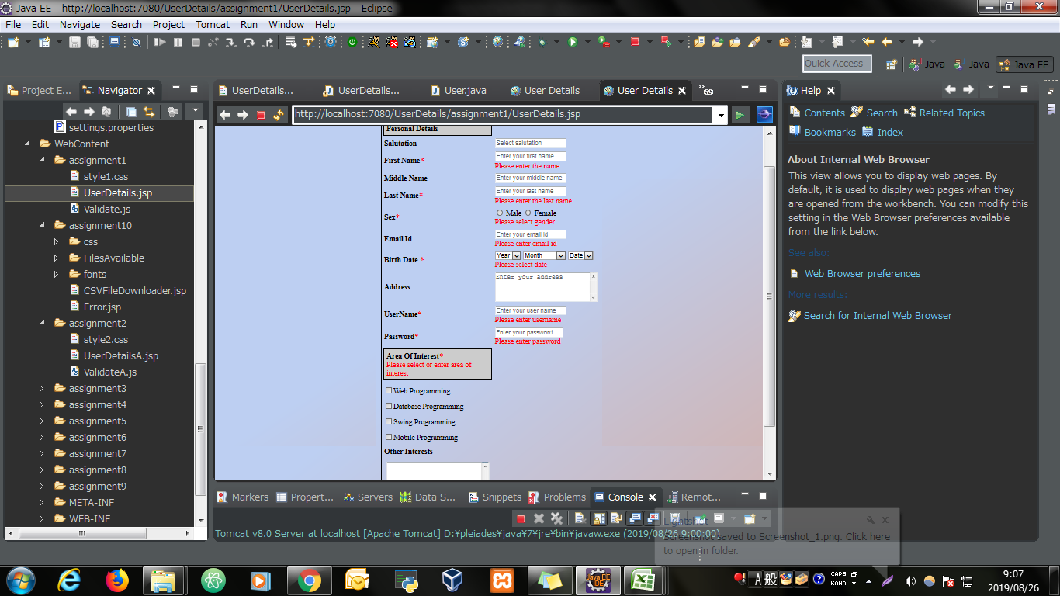

Screen shoot 3: | Successfully display data and save to database

